Chart_1
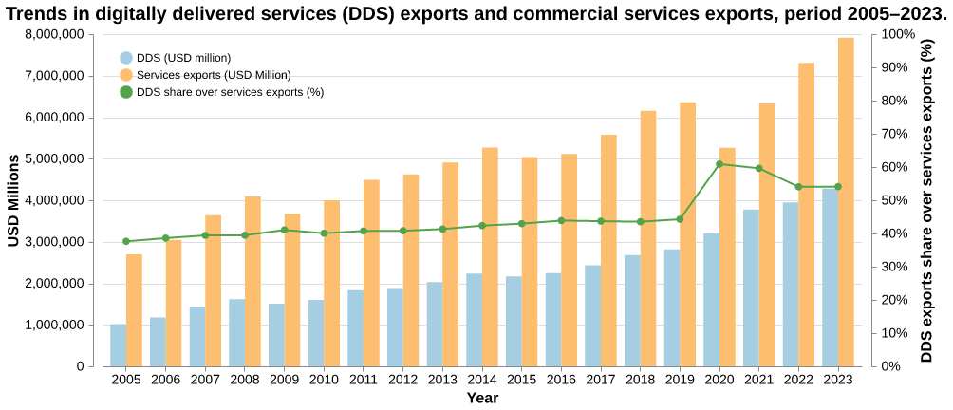

Chart
DDS vs Services Exports and Share
Year | DDS (USD million) | Services exports (USD Million) | DDS exports share over services exports
2005 | 1014566.285 | 2696098 | 0.37630912712
2006 | 1175109.988 | 3044737 | 0.38594794493
2007 | 1435745.587 | 3641323 | 0.39429229074
2008 | 1615416.361 | 4093287 | 0.39465015793
2009 | 1507728.322 | 3671507 | 0.41065652932
2010 | 1601540.307 | 3997337 | 0.40065181069
2011 | 1831696.327 | 4494029 | 0.4075844475
2012 | 1887374.81 | 4624026 | 0.40816699776
2013 | 2028185.561 | 4907710 | 0.41326516053
2014 | 2232074.918 | 5268626 | 0.42365408325
2015 | 2164897.36 | 5039951 | 0.42954730314
2016 | 2243981.74 | 5114677 | 0.43873381252
2017 | 2436916.942 | 5576865 | 0.43696896769
2018 | 2678256.345 | 6153667 | 0.43522932668
2019 | 2814795.854 | 6357623 | 0.44274343634
2020 | 3205104.751 | 5263490 | 0.60893147911
2021 | 3775401.455 | 6334064 | 0.59604725418
2022 | 3949694.136 | 7306879 | 0.54054462049
2023 | 4281699.515 | 7913451 | 0.54106602985

